Sheet1
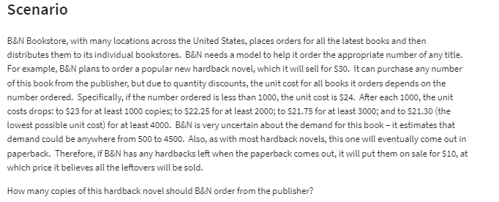
BN Bookstore |  |  | Ordered (at least): | Unit Cost:
 |  |  | 0 | $24.00
 |  |  | 1000 | $23.00
Regular Price: | $30.00 |  | 2000 | $22.25
Sale Price: | $10.00 |  | 3000 | $21.75
 |  |  | 4000 | $21.30

Demand: | 4000
Order: | 3500

Surplus: | 0 | =MAX(C19-C18,0)
Method # 2: | 0 | =IF(C18>C19,0,C19-C18)

Costs: | $76,125.00 | =VLOOKUP(C19,E11:F15,2,TRUE)*C19

Revenue: | $105,000.00 | =MIN(C18:C19)*C13

 |  |  |  |  |  |  | Demand
Profit: | $28,875.00 | =C26-C24 |  |  |  | $28,875.00 | 500 | 1000 | 1500 | 2000 | 2500 | 3000 | 3500 | 4000 | 4500
 |  |  |  |  | Order | 500 | $3,000.00 | $3,000.00 | $3,000.00 | $3,000.00 | $3,000.00 | $3,000.00 | $3,000.00 | $3,000.00 | $3,000.00
 |  |  |  |  |  | 1000 | -$8,000.00 | $7,000.00 | $7,000.00 | $7,000.00 | $7,000.00 | $7,000.00 | $7,000.00 | $7,000.00 | $7,000.00
 |  |  |  |  |  | 1500 | -$19,500.00 | -$4,500.00 | $10,500.00 | $10,500.00 | $10,500.00 | $10,500.00 | $10,500.00 | $10,500.00 | $10,500.00
 |  |  |  |  |  | 2000 | -$29,500.00 | -$14,500.00 | $500.00 | $15,500.00 | $15,500.00 | $15,500.00 | $15,500.00 | $15,500.00 | $15,500.00
 |  |  |  |  |  | 2500 | -$40,625.00 | -$25,625.00 | -$10,625.00 | $4,375.00 | $19,375.00 | $19,375.00 | $19,375.00 | $19,375.00 | $19,375.00
 |  |  |  |  |  | 3000 | -$50,250.00 | -$35,250.00 | -$20,250.00 | -$5,250.00 | $9,750.00 | $24,750.00 | $24,750.00 | $24,750.00 | $24,750.00
 |  |  |  |  |  | 3500 | -$61,125.00 | -$46,125.00 | -$31,125.00 | -$16,125.00 | -$1,125.00 | $13,875.00 | $28,875.00 | $28,875.00 | $28,875.00
 |  |  |  |  |  | 4000 | -$70,200.00 | -$55,200.00 | -$40,200.00 | -$25,200.00 | -$10,200.00 | $4,800.00 | $19,800.00 | $34,800.00 | $34,800.00
 |  |  |  |  |  | 4500 | -$80,850.00 | -$65,850.00 | -$50,850.00 | -$35,850.00 | -$20,850.00 | -$5,850.00 | $9,150.00 | $24,150.00 | $39,150.00

